VPD & AHD
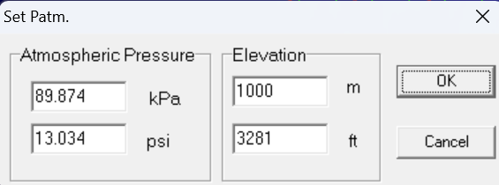
 | 大氣壓力 | Pa | 101.325 | kPa
 | 乾球溫度 | Tdb | 23.4 | deg.C
 | 相對溼度 | RH | 82 | %

 | 飽和蒸汽壓 | Pws_Eq.1 | 2.879 | kPa | Pws_Eq.2 | 2.8781302848
 | 蒸汽壓 | Pw | 2.360 | kPa
 | 蒸汽壓差 | VPD | 0.518 | kPa
 | 飽和絕對溼度 | AHs | 0.01819 | kg/kgDA | 18.19 | g/kgDA | Xws | 21.71 | g/m3
 | 絕對溼度 | AH | 0.01484 | kg/kgDA | 14.84 | g/kgDA | Xw | 17.80 | g/m3
 | 飽差 | AHD | 0.0034 | kg/kgDA | 3.4 | g/kgDA | VD | 3.91 | g/m3
 | 飽和度 | DOS | 0.816
Eq.1 | Pws = f(T) = 0.61121 exp((18.678 – (T / 234.5)) * (T / (257.14 + T))) .. . for T > 0 oC |  |  |  |  |  |  |  | in kPa | for 0 m altitute (101.325 kPa) only
Eq.2 | Pws = 0.6108 × exp( (17.27 × T) / (T + 237.3) )
 | Xws = 1255 *10^(7.9*Tdb/(237+Tdb)) / (273+Tdb) |  |  |  |  |  |  |  | in g/m3 | for 0 m altitute (101.325 kPa) only
 | Pw= Pws * (RH/100) |  |  |  | Xw = Xws * (DOS/100)
 | VPD = Pws - Pw = Pws * (1-RH/100)
 | AHs = 0.62198 * Pws / (Pa - Pws)
 | AH = 0.62198 * Pw / (Pa - Pw)
 | AHD = AHs – AH |  |  |  | VD = Xws - Xw
 | RH = Pw / Pws |  |  |  | DOS=AH / AHs

Eq1&2
T in C | Eq.1 | Eq.2 | Dif.
0 | 0.6112 | 0.6108 | 0.0004
5 | 0.8724 | 0.8723 | 0.0001
10 | 1.2279 | 1.2280 | -0.0001
15 | 1.7052 | 1.7053 | -0.0002
20 | 2.3383 | 2.3383 | 0.0001
25 | 3.1685 | 3.1678 | 0.0008
30 | 4.2451 | 4.2431 | 0.0021
35 | 5.6268 | 5.6227 | 0.0041
40 | 7.3824 | 7.3756 | 0.0067
45 | 9.5923 | 9.5825 | 0.0098
50 | 12.3494 | 12.3368 | 0.0126

