氣孔導度vsTE
Calculating Transpiration Efficiency (TE) of Sugarcane
TE also termed Water Use Efficiency (WUE)
Following Figures are relationship between stomatal conductance, transpiration and photosynthesis in 28 sugarcane genotypes, n=360
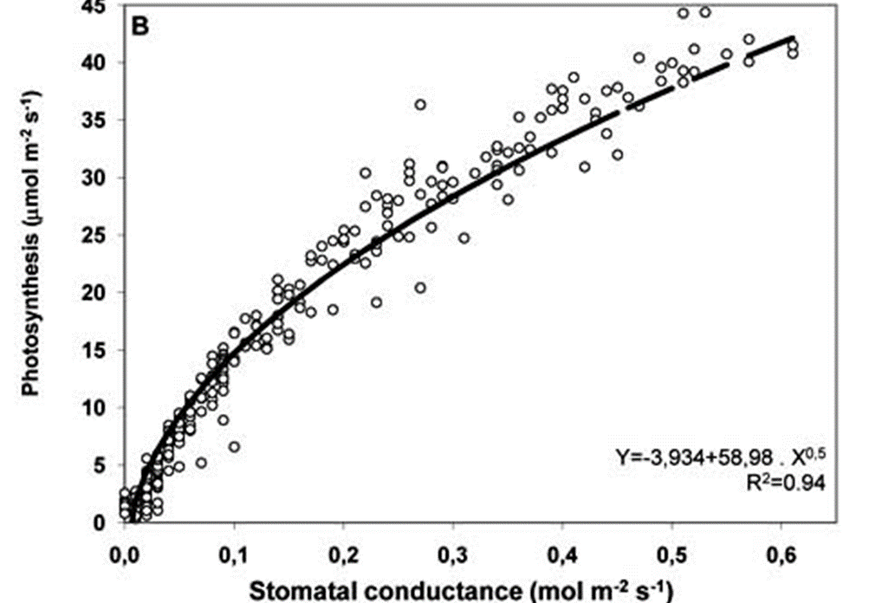
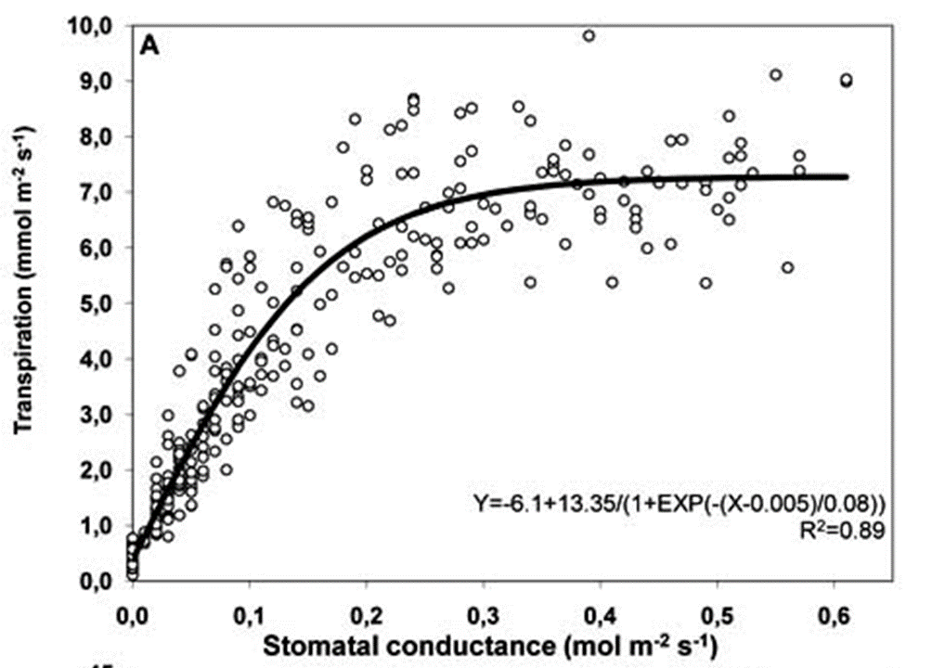
 |  |  | Net Photosynthetic rate (Pn) |  | Pn = -3.934+58.98 * Gs^0.5
 |  |  | Transpiration rate |  | Tr = -6.1+ 13.35/(1+EXP(-(Gs-0.005)/0.08))
 |  |  | TE = Pn / (Tr*1000)

 |  |  |  | Stomatal Conductance | Pn | Tr | TE
 |  |  |  | 0 | -3.934 | 0.366 | 0.0000
 |  |  |  | 0.1 | 14.717 | 4.130 | 0.0036
 |  |  |  | 0.2 | 22.443 | 6.177 | 0.0036
 |  |  |  | 0.3 | 28.371 | 6.924 | 0.0041
 |  |  |  | 0.4 | 33.368 | 7.155 | 0.0047
 |  |  |  | 0.5 | 37.771 | 7.223 | 0.0052
 |  |  |  | 0.6 | 41.752 | 7.242 | 0.0058

Pn and Tr of sugarcane
TE also termed WUE (Water Use Efficiency)

 | 已知 | 甘蔗葉片的氣孔導度 (gs, mol.m-2.s-1) |  |  |  |  | 0.35 | range: 0~0.7
 | 推導 | 光合速率 (Pn, μmol.m-2.s-1) |  |  |  |  | 30.96
 |  | 蒸散速率 (Tr, mmol.m-2.s-1) |  |  |  |  | 7.07
 |  | 蒸散效率 (TE) |  |  |  |  | 0.0044

